Register Settings
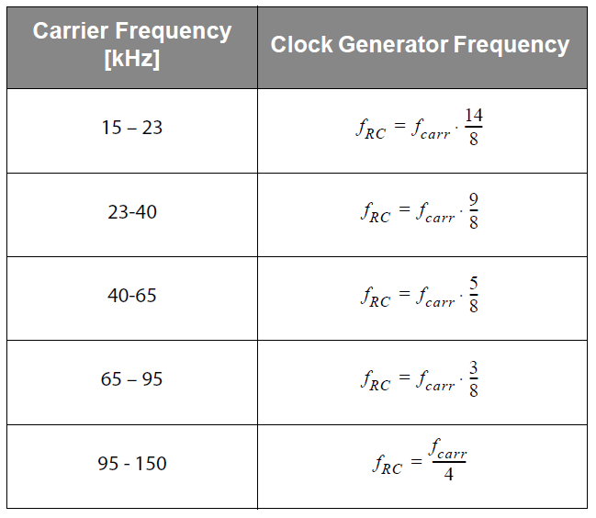
Tolerance Settings for Frequency Detection in the Bands 23-150 kHz
R2<1> |  | R2<0> |  | M | ±Tolerance
0 |  | 0 |  | 16 | 6 | soft
0 |  | 1 |  | 16 | 4 | medium
1 |  | 0 |  | 16 | 2 | tight
1 |  | 1 |  | n.a. | n.a. | n.a.

Bit Setting for the Operating Frequency Range and Time Windows Generation for the Frequency Detection |  |  | N | Operating frequency range (kHz) |  | fRC (kHz)
R8<7> | R8<6> | R8<5>
1 | 1 | 1 | 14 | 15 | 23 | 218.75
0 | 1 | 1 | 18 | 23 | 40 | 140.625
0 | 1 | 0 | 10 | 40 | 65 | 78.125
0 | 0 | 1 | 6 | 65 | 95 | 46.875
0 | 0 | 0 | 4 | 95 | 150 | 31.25

Recommended Settings
frc (Hz) | 31250
Tclk (s) | 3.20E-05
N*Tclk (s) | 1.28E-04

